BUG001
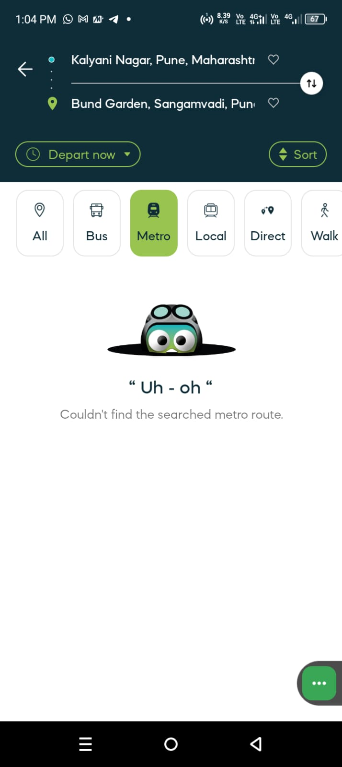
Bug_Defect

Defect ID | BUG001 | Assigned To | Dev
Status | New | Browser | Chrome
Severity | High | Found in Version
Priority | Critical | Found in Build | 1
Module | Navigation- station to Statiion | Fixed in version
Reported By | Sachin | Fixed in build

Title/Summary | Navigation Station to Station-when selecting certain bus routes from the source to destination.
Description Steps To Re-Produce : 1. Open App 2. Navigate or click on the Metro icon. 3.Tap on source field and enter valid (saource)station name 4. Tap on destination field and enter valid (destination)station name 5. Click on Login button 6. Then it is showing "Uh-Oh" Couldn't found the searched metro route Expected Result : Showing the list of metro time and booking cost. Actual Result : "Uh-Oh" Couldn't found the searched metro route. Issue: This metro stations are not showing in this app but it is available in google map and other metro tickting app. Improvement : Search functionality is need to more fexible.

Attachments

